Лист1
In this section I will try to introduce some exsamples of main issues, that appears durring the smoke testing of SKYBOT MVP. First of all, I want You to know that it is a raw version and it would be developed day by day. At this moment some functions as a Contact Section, Payment Method, Delievery or Product rewies isn't implemented yet and we can't test it properly. One of the important aim of our website - to present and sell our product (electric Roller scooter), but as we can see some photos and also some items does not apply for theme of the website. Another significant issue - language of the website. Our client is present USA market, but durring exploration we could see that the 50% of text is Ukrainian. Below, I will present the most important remarks and my suggestions for their improvement

Place | Remark | Photo | Suggestions
Home Page | In this area there are a lot of blank space that we don't use and it's look like we try to fill page bur we don't have the information for this action |  | Maybe, we could enlarge all section of main menu bar or optimize it
 | On the main page we could see photos that are unsuitable for main theme of the website |  | Find the photos that are totally fit to our portal
 | Currency and the price must be present correctly and without mistakes |  | Change price to $ and make correct price calculations
 | Main button for play video is also in Ukrainian | 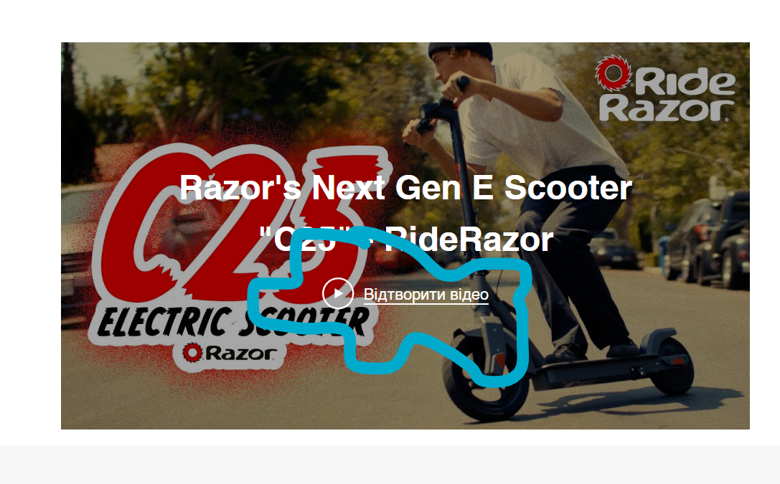 | Change the language
 | "About Us" section containe some incorrect information about our store. We could see that this description shows to our customer information that we sell "...offers a variety of sporting goods, from apparel to equipments and everything in between." But the website just sell electric Roller scooter |  | We could describe more detailed this block. And pay the attention on our main product and our company
 | Map section is not presented correctly. As we can see, the place on the map don't show actual places of 3 real places, which connected to Client | 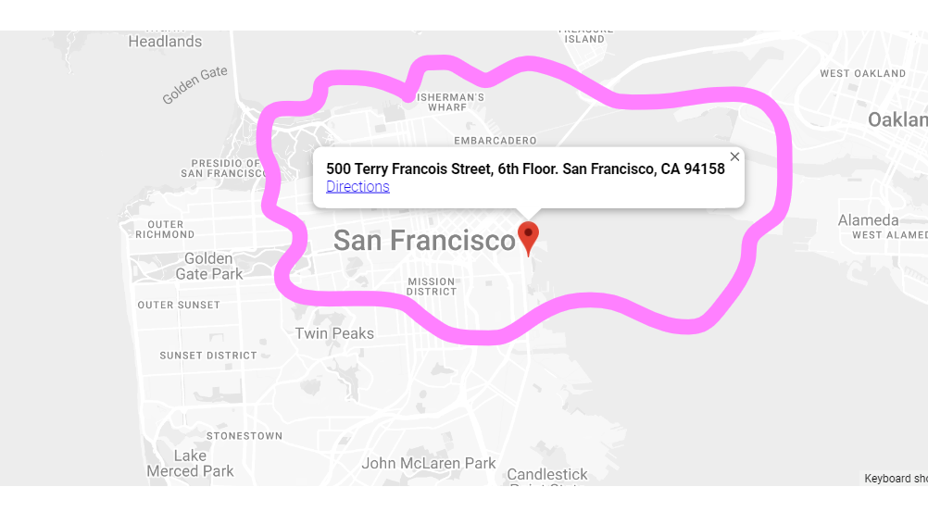 | Change the places and provide 3 marks, which we recieved in the Client's requirements Store 789 Maple Street, Springfield, IL 62701, United States ​ Store 456 Oak Avenue, Springfield, IL 62701, United States ​ Store 123 Elm Court, Springfield, IL 62701, United States
 | "Additional services" section is placed unlogical and not aesthetically pleasing for eyes. It also contain information in Ukrainian language | 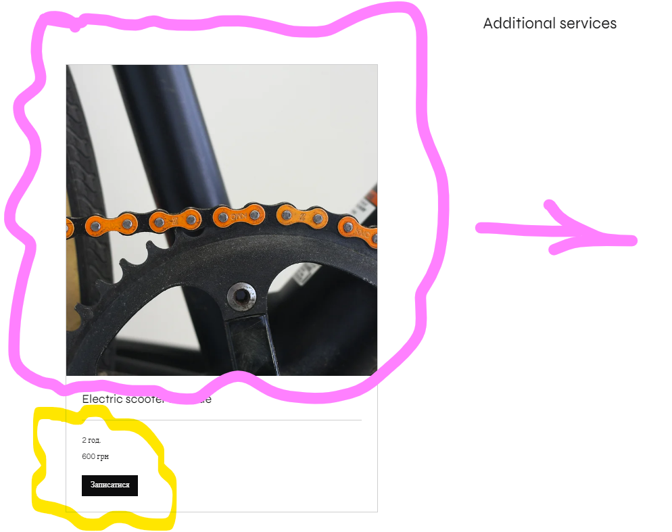 | If the Client want this section on the Main page it should be present in the center and the photo must be optimised
 | "Subscribe Form" section is to close to "Additional services" and it looks unpleasant. | 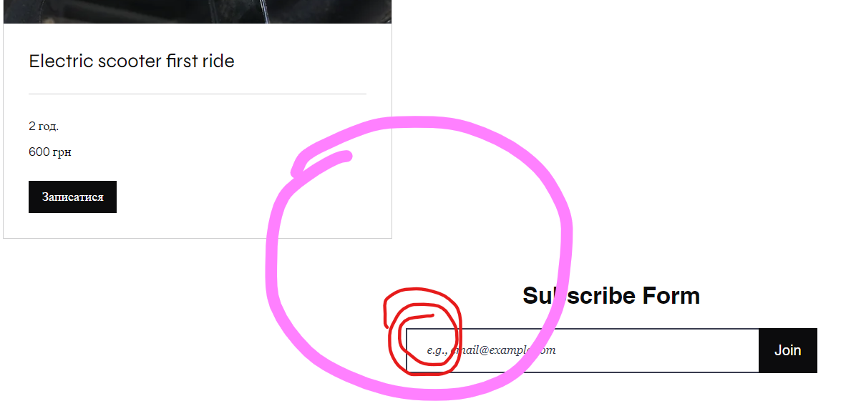 | Make some space between two sections. Also in line we could remove "e.g" and just present some email as a example
Making order | Name of the item is presented unclear, prices in another currency and information in Ukrainian | 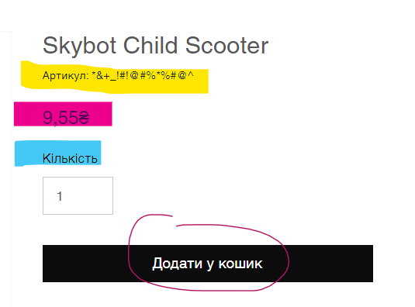 | All information must be changed
 | On the photo we could see information that shippment is free, but in Shipment and Delivery policy we could see that it costs money. It could mislead our client and cause troubles. | 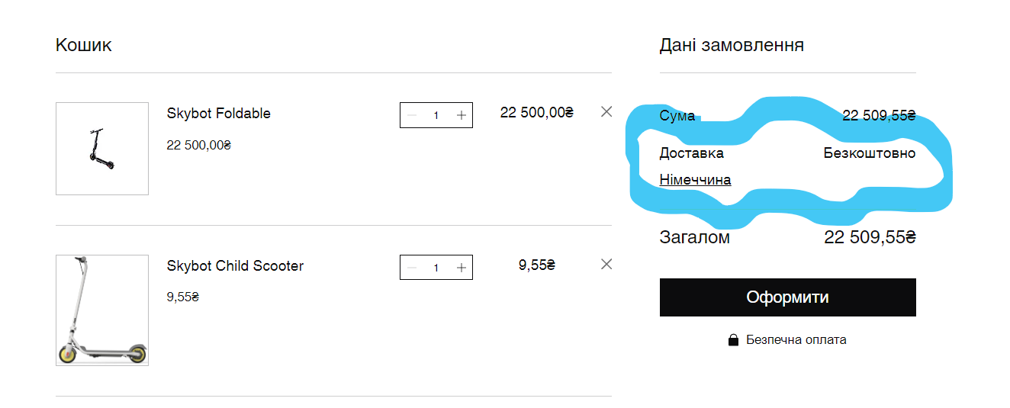 | To provide calculation of the shipment. AI will calculate prices depending on distance and time of delievery
About Us Page | The text is a little bit chaotic. | 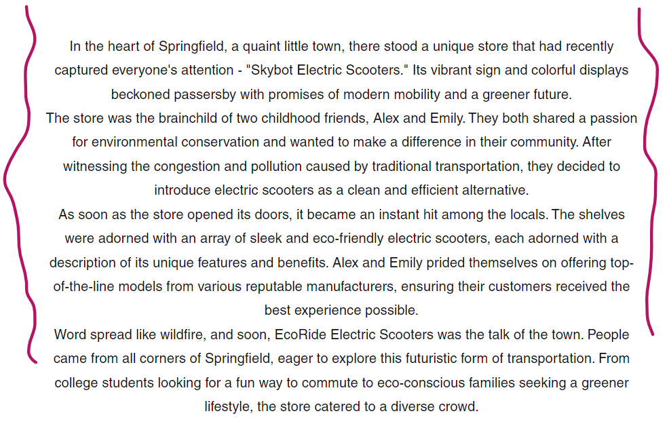 | There could be used alignment to the center or to the layout
Contact Page | Some useless space between to sections | 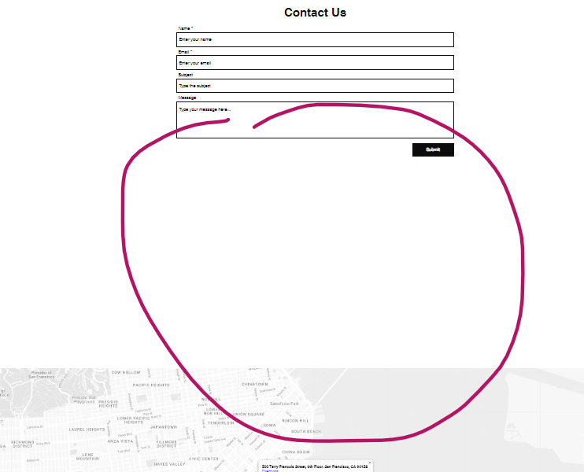 | Optimise to the layout
 | "Shop Now" button is not active and doesn't provide to any page or action |  | Fix thie element and implement redirection to the shop
 | As I mentioned higher - irrelevant information about store location on the map |  | Change size of the map (to big) Change the places and provide 3 marks, which we recieved in the Client's requirements Store 789 Maple Street, Springfield, IL 62701, United States ​ Store 456 Oak Avenue, Springfield, IL 62701, United States ​ Store 123 Elm Court, Springfield, IL 62701, United States"
FAQ Page | Name of the page ("FAQ") doesn't match to the actual information on this page | 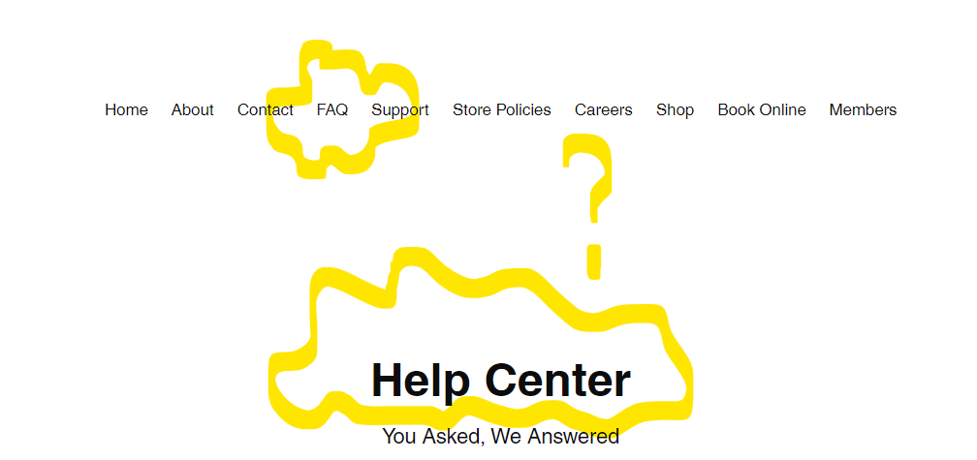 | Change to right text
 | In each paragraph is the same text which doesn't fit to the question |  | Fill the paragraphs by detailed information from each section
Store policy page | All buttons aren't active |  | Implement action to the each button or remove
 | Duplicated sections | 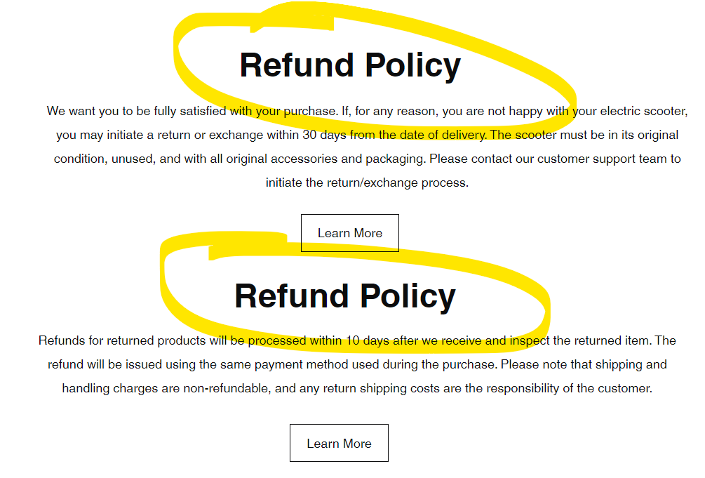 | Remove one of them
 | Unnecessary sentence below "Shipping and Delivery" | 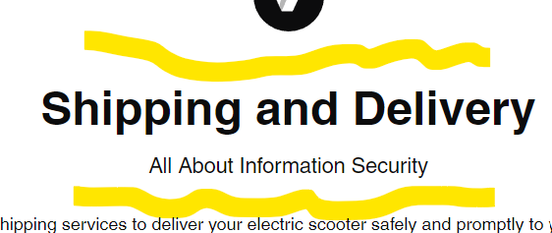 | Change sentence or delete
 | This is misleading information. We have "Product Information and Warranty", but instead we could se "Return policy section" | 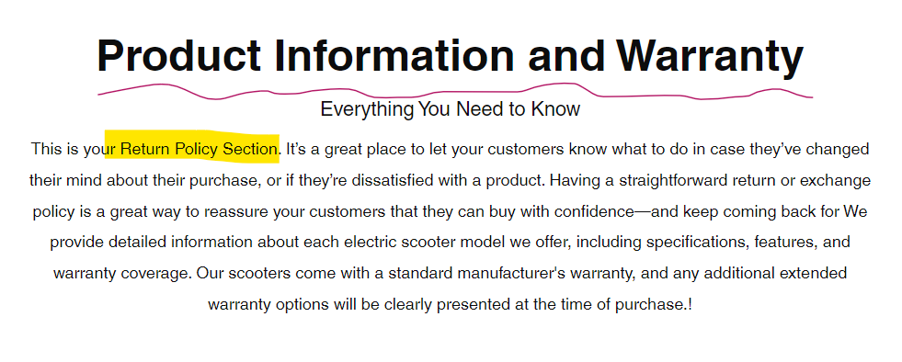 | Edit this section and add correct description
 | Illogical sentence |  | Check the meaning
Careers page | Users couldn't see description of each position |  | Improve this section by adding some general information about positions and add phone number for the contact
 | Photo doesn't match to the description of positions |  | Change the photos
Shop page | Page is not respond | 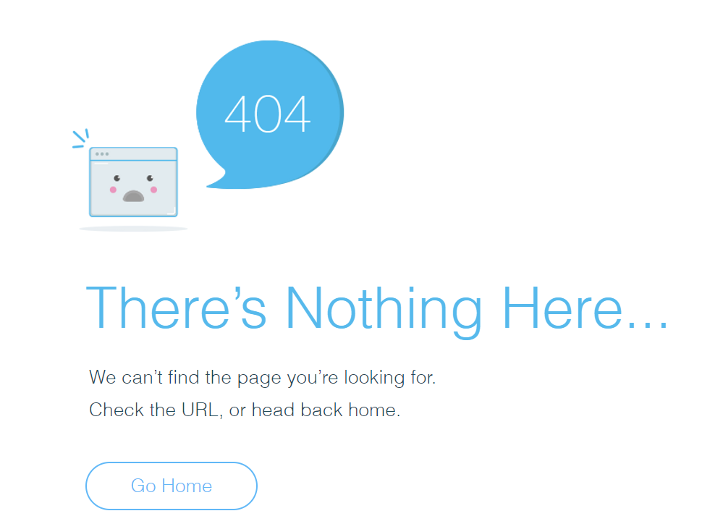 | Implement page
Book online page | Unreasonable empty spaces on all page. Information in Ukrainian and incorrect prices. In Client's requirements we also have information about service center, but on the website it is not mentioned | 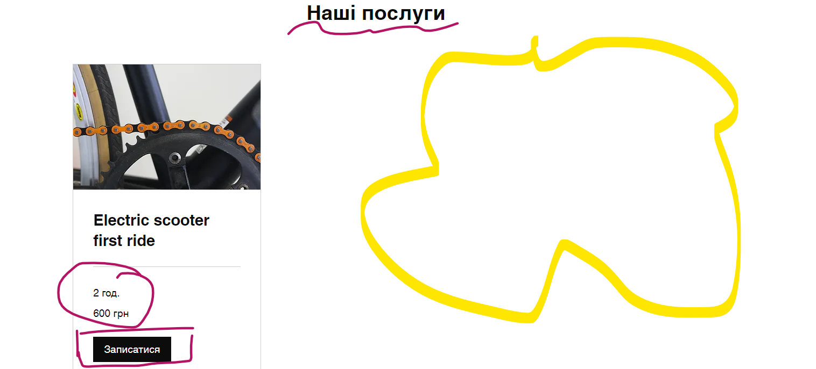 | Change all inconsistencies and add section about service center
Members page | There are no description about aim of this section. For who or for what this page is existe? And also Users don't have opportinity to register |  | Add clear description of the section and make possible to Registrate

